RSF
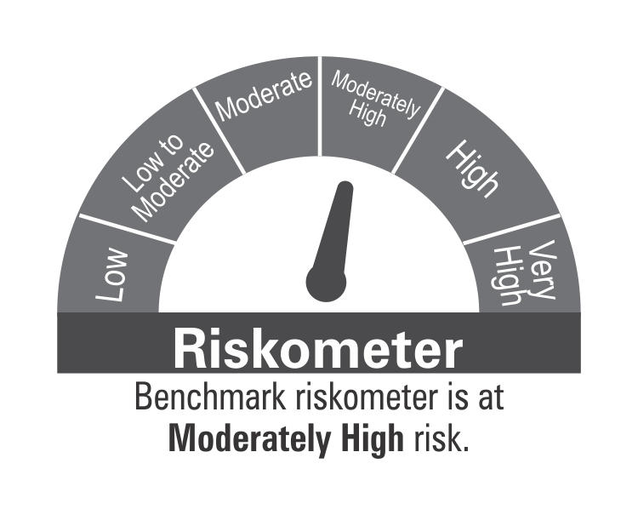
ICICI Prudential Mutual Fund
ICICI Prudential Regular Savings Fund
Portfolio as on Oct 31,2024
Company/Issuer/Instrument Name | ISIN | Coupon | Industry/Rating | Quantity | Exposure/Market Value(Rs.Lakh) | % to Nav | Yield of the instrument | Yield to Call @
Equity & Equity Related Instruments |  |  |  |  | 69100.25 | 21.46%

Listed / Awaiting Listing On Stock Exchanges |  |  |  |  | 69100.25 | 21.46%
ICICI Bank Ltd. | INE090A01021 |  | Banks | 536823 | 6937.10 | 2.15%
HDFC Bank Ltd. | INE040A01034 |  | Banks | 315573 | 5477.40 | 1.70%
Sun Pharmaceutical Industries Ltd. | INE044A01036 |  | Pharmaceuticals & Biotechnology | 253104 | 4679.64 | 1.45%
SBI Life Insurance Company Ltd. | INE123W01016 |  | Insurance | 232733 | 3775.28 | 1.17%
Gland Pharma Ltd. | INE068V01023 |  | Pharmaceuticals & Biotechnology | 157288 | 2596.98 | 0.81%
Maruti Suzuki India Ltd. | INE585B01010 |  | Automobiles | 21997 | 2436.49 | 0.76%
Hindustan Unilever Ltd. | INE030A01027 |  | Diversified Fmcg | 90560 | 2289.58 | 0.71%
NTPC Ltd. | INE733E01010 |  | Power | 559175 | 2282.27 | 0.71%
Affle India Ltd. | INE00WC01027 |  | It - Services | 142641 | 2192.75 | 0.68%
Syngene International Ltd. | INE398R01022 |  | Healthcare Services | 248822 | 2140.49 | 0.66%
Aurobindo Pharma Ltd. | INE406A01037 |  | Pharmaceuticals & Biotechnology | 151758 | 2119.30 | 0.66%
Axis Bank Ltd. | INE238A01034 |  | Banks | 172841 | 2004.18 | 0.62%
ICICI Lombard General Insurance Company Ltd. | INE765G01017 |  | Insurance | 103328 | 1981.16 | 0.62%
PVR Ltd. | INE191H01014 |  | Entertainment | 122411 | 1922.10 | 0.60%
Infosys Ltd. | INE009A01021 |  | It - Software | 104705 | 1839.93 | 0.57%
Alkem Laboratories Ltd. | INE540L01014 |  | Pharmaceuticals & Biotechnology | 29292 | 1692.86 | 0.53%
Chemplast Sanmar Ltd | INE488A01050 |  | Chemicals & Petrochemicals | 335374 | 1606.44 | 0.50%
Dabur India Ltd. | INE016A01026 |  | Personal Products | 283147 | 1528.99 | 0.47%
Kotak Mahindra Bank Ltd. | INE237A01028 |  | Banks | 86879 | 1503.96 | 0.47%
PSP Projects Ltd | INE488V01015 |  | Construction | 223881 | 1347.20 | 0.42%
Nuvoco Vistas Corporation Ltd. | INE118D01016 |  | Cement & Cement Products | 348764 | 1230.09 | 0.38%
Yatra Online Ltd | INE0JR601024 |  | Leisure Services | 1047632 | 1210.96 | 0.38%
IndusInd Bank Ltd. | INE095A01012 |  | Banks | 108878 | 1149.32 | 0.36%
Hyundai Motor India Ltd. | INE0V6F01027 |  | Automobiles | 61145 | 1114.40 | 0.35%
CIE Automotive India Ltd | INE536H01010 |  | Auto Components | 214993 | 1068.09 | 0.33%
Barbeque Nation Hospitality | INE382M01027 |  | Leisure Services | 137682 | 783.75 | 0.24%
Gujarat State Fertilizers and Chemicals Ltd. | INE026A01025 |  | Fertilizers & Agrochemicals | 348688 | 728.79 | 0.23%
Mold-Tek Packaging Ltd | INE893J01029 |  | Industrial Products | 99999 | 695.39 | 0.22%
HDFC Life Insurance Company Ltd. | INE795G01014 |  | Insurance | 96027 | 691.54 | 0.21%
Shree Cements Ltd. | INE070A01015 |  | Cement & Cement Products | 2752 | 689.99 | 0.21%
Divgi Torqtransfer Systems Ltd | INE753U01022 |  | Auto Components | 101925 | 644.27 | 0.20%
Gujarat Alkalies and Chemicals Ltd. | INE186A01019 |  | Chemicals & Petrochemicals | 75047 | 642.70 | 0.20%
Zydus Lifesciences Ltd. | INE010B01027 |  | Pharmaceuticals & Biotechnology | 62263 | 623.41 | 0.19%
India Shelter Finance Corp Ltd | INE922K01024 |  | Finance | 91463 | 620.62 | 0.19%
Apollo Tyres Ltd. | INE438A01022 |  | Auto Components | 121282 | 612.41 | 0.19%
EPL Ltd. | INE255A01020 |  | Industrial Products | 214317 | 580.58 | 0.18%
Indian Energy Exchange Ltd. | INE022Q01020 |  | Capital Markets | 317964 | 565.21 | 0.18%
Jindal Stainless Ltd. | INE220G01021 |  | Ferrous Metals | 73746 | 498.01 | 0.15%
Orient Electric Ltd. | INE142Z01019 |  | Consumer Durables | 189649 | 469.29 | 0.15%
GNA Axles Ltd | INE934S01014 |  | Auto Components | 96762 | 388.16 | 0.12%
Rategain Travel Technologies Ltd. | INE0CLI01024 |  | It - Software | 45035 | 338.89 | 0.11%
Newgen Software Technologies Ltd. | INE619B01017 |  | It - Software | 25794 | 331.13 | 0.10%
Sai Silks (Kalamandir) Ltd. | INE438K01021 |  | Retailing | 164565 | 286.80 | 0.09%
PNC Infratech Ltd. | INE195J01029 |  | Construction | 85156 | 270.92 | 0.08%
The Ramco Cements Ltd. | INE331A01037 |  | Cement & Cement Products | 24351 | 215.88 | 0.07%
Bata India Ltd. | INE176A01028 |  | Consumer Durables | 9486 | 128.60 | 0.04%
Sagar Cements Ltd. | INE229C01021 |  | Cement & Cement Products | 33986 | 76.21 | 0.02%
CEAT Ltd. | INE482A01020 |  | Auto Components | 1650 | 46.30 | 0.01%
Birla Corporation Ltd. | INE340A01012 |  | Cement & Cement Products | 3805 | 44.44 | 0.01%

Unlisted |  |  |  |  | Nil | Nil

Debt Instruments |  |  |  |  | 197777.59 | 61.41%

Listed / Awaiting Listing On Stock Exchanges |  |  |  |  | 196446.50 | 61.00%

Government Securities |  |  |  |  | 77696.89 | 24.13%
Government Securities | IN0020210137 | 7.53 | SOV | 30904750 | 31244.55 | 9.70% | 7.51
Government Securities | IN0020230085 | 7.18 | SOV | 25815500 | 26356.93 | 8.18% | 6.97
Government Securities | IN0020220037 | 7.38 | SOV | 11500000 | 11672.96 | 3.62% | 6.86
Government Securities | IN0020220151 | 7.26 | SOV | 5463150 | 5597.29 | 1.74% | 6.98
Government Securities | IN0020240019 | 7.1 | SOV | 2775880 | 2825.16 | 0.88% | 6.96

Non-Convertible debentures / Bonds |  |  |  |  | 118749.61 | 36.87%
L&T Metro Rail (Hyderabad) Ltd. ** | INE128M08078 | 6.58 | CRISIL AAA(CE) | 850 | 8362.41 | 2.60% | 7.72
360 One Prime Ltd. ** | INE248U07FN4 | 9.5 | ICRA AA | 7500 | 7532.03 | 2.34% | 9.14
Yes Bank Ltd. ** | INE528G08345 | 8 | ICRA A | 650 | 6351.92 | 1.97% | 9.34
Prestige Estates Projects Ltd. ** | INE811K07075 | 8.9 | ICRA A+ | 600 | 5988.61 | 1.86% | 11.23
Godrej Industries Ltd. ** | INE233A08139 | 8.42 | CRISIL AA+ | 5000 | 5039.31 | 1.56% | 8.13
Eris Lifesciences Ltd. ** | INE406M08029 | 8.73 | FITCH AA- | 5000 | 5033.49 | 1.56% | 8.40
Godrej Properties Ltd. ** | INE484J08089 | 8.4 | ICRA AA+ | 5000 | 5027.47 | 1.56% | 8.20
Eris Lifesciences Ltd. ** | INE406M08011 | 8.73 | FITCH AA- | 5000 | 5025.42 | 1.56% | 8.45
Narayana Hrudayalaya Ltd. ** | INE410P08016 | 8.25 | ICRA AA | 5000 | 5012.41 | 1.56% | 8.09
Bharti Telecom Ltd. ** | INE403D08124 | 9.3 | CRISIL AA+ | 500 | 5000.96 | 1.55% | 8.23
IIFL Home Finance Ltd. ** | INE477L07AW0 | 8.5 | CRISIL AA | 5000 | 4974.90 | 1.54% | 9.11
Bharti Telecom Ltd. ** | INE403D08207 | 8.95 | CRISIL AA+ | 4000 | 4028.64 | 1.25% | 8.55
Ashiana Housing Ltd. ** | INE365D07085 | 9.95 | CARE A | 4000 | 3999.79 | 1.24% | 10.33
JM Financial Products Ltd. ** | INE523H07CB9 | 8.92 | CRISIL AA | 3500 | 3492.77 | 1.08% | 9.36
Prism Johnson Ltd. ** | INE010A08156 | 8.6 | FITCH A+ | 3000 | 2984.39 | 0.93% | 8.79
Prism Johnson Ltd. ** | INE010A08149 | 8.5 | FITCH A+ | 3000 | 2978.64 | 0.92% | 8.93
Torrent Power Ltd. ** | INE813H07192 | 7.45 | CRISIL AA+ | 300 | 2968.78 | 0.92% | 7.92
JM Financial Credit Solution Ltd. ** | INE651J07986 | 9.3 | ICRA AA | 2500 | 2527.61 | 0.78% | 9.15
Aadhar Housing Finance Ltd. ** | INE883F07314 | 8.5 | ICRA AA | 2500 | 2507.24 | 0.78% | 8.29
Avanse Financial Services Ltd ** | INE087P07204 | 10.25 | CARE AA- | 250 | 2503.71 | 0.78% | 8.73
Indostar Capital Finance Ltd. ** | INE896L07868 | 9.95 | CRISIL AA- | 2500 | 2499.64 | 0.78% | 10.36
Shriram Finance Ltd. ** | INE721A07RR8 | 8.75 | CRISIL AA+ | 2500 | 2494.19 | 0.77% | 8.96
Oberoi Realty Ltd. ** | INE093I07074 | 8 | CARE AA+ | 2500 | 2493.52 | 0.77% | 8.36
Aavas Financiers Ltd. ** | INE216P07217 | 8.75 | CARE AA | 200 | 2011.25 | 0.62% | 8.43
Mankind Pharma Ltd ** | INE634S07017 | 7.99 | CRISIL AA+ | 1900 | 1906.30 | 0.59% | 7.89
Macrotech Developers Ltd. ** | INE670K07265 | 8.79 | ICRA AA- | 1604 | 1605.10 | 0.50% | 9.01
Avanse Financial Services Ltd ** | INE087P07444 | 9.4 | CRISIL AA- | 1500 | 1495.18 | 0.46% | 9.85
DME Development Ltd. ** | INE0J7Q07017 | 9.74 | CRISIL AAA | 125 | 1342.67 | 0.42% | 9.42
Godrej Industries Ltd. ** | INE233A08097 | 7.17 | CRISIL AA+ | 120 | 1193.08 | 0.37% | 8.04
Bharti Telecom Ltd. ** | INE403D08181 | 8.9 | CRISIL AA+ | 1000 | 1003.70 | 0.31% | 8.50
Yes Bank Ltd. ** | INE528G08279 | 8.85 | ICRA A | 100 | 997.55 | 0.31% | 9.10
Kogta Financial (India) Ltd. ** | INE192U07343 | 9.75 | ICRA A+ | 1000 | 994.99 | 0.31% | 10.08
DME Development Ltd. ** | INE0J7Q07074 | 9.74 | CRISIL AAA | 60 | 640.90 | 0.20% | 9.22
DME Development Ltd. ** | INE0J7Q07082 | 9.74 | CRISIL AAA | 60 | 640.08 | 0.20% | 9.31
DME Development Ltd. ** | INE0J7Q07066 | 9.74 | CRISIL AAA | 60 | 636.38 | 0.20% | 9.22
DME Development Ltd. ** | INE0J7Q07058 | 9.74 | CRISIL AAA | 60 | 634.10 | 0.20% | 9.15
DME Development Ltd. ** | INE0J7Q07041 | 9.74 | CRISIL AAA | 60 | 629.35 | 0.20% | 9.15
DME Development Ltd. ** | INE0J7Q07033 | 9.74 | CRISIL AAA | 60 | 626.52 | 0.19% | 9.04
DME Development Ltd. ** | INE0J7Q07025 | 9.74 | CRISIL AAA | 60 | 622.90 | 0.19% | 8.93
DME Development Ltd. ** | INE0J7Q07108 | 9.74 | CRISIL AAA | 50 | 536.49 | 0.17% | 9.38
Sheela Foam Ltd. ** | INE916U08012 | 8.45 | FITCH AA | 500 | 501.48 | 0.16% | 8.27
Sheela Foam Ltd. ** | INE916U08038 | 8.45 | FITCH AA | 500 | 501.30 | 0.16% | 8.29
Sheela Foam Ltd. ** | INE916U08020 | 8.45 | FITCH AA | 500 | 500.38 | 0.16% | 8.31
Sheela Foam Ltd. ** | INE916U08046 | 8.45 | FITCH AA | 500 | 500.23 | 0.16% | 8.29
Mankind Pharma Ltd ** | INE634S07025 | 7.99 | CRISIL AA+ | 400 | 401.83 | 0.12% | 7.88

Zero Coupon Bonds / Deep Discount Bonds |  |  |  |  | Nil | Nil

Privately Placed/unlisted |  |  |  |  | 1331.09 | 0.41%
Land Kart Builders Pvt Ltd. ** | INE057V07015 | 7.45 | CARE AA | 400 | 1331.09 | 0.41% | 9.30

Securitized Debt Instruments |  |  |  |  | Nil | Nil

Term Deposits |  |  |  |  | Nil | Nil

Deposits (maturity not exceeding 91 days) |  |  |  |  | Nil | Nil

Deposits (Placed as Margin) |  |  |  |  | Nil | Nil

Money Market Instruments |  |  |  |  | 31298.48 | 9.72%

Certificate of Deposits |  |  |  |  | 24378.83 | 7.57%
HDFC Bank Ltd. ** | INE040A16ER2 |  | CRISIL A1+ | 3000 | 14633.91 | 4.54% | 7.31
Union Bank Of India ** | INE692A16HP7 |  | ICRA A1+ | 1000 | 4866.21 | 1.51% | 7.33
Bank Of India ** | INE084A16CN3 |  | CRISIL A1+ | 500 | 2440.02 | 0.76% | 7.36
Kotak Mahindra Bank Ltd. ** | INE237A166W0 |  | CRISIL A1+ | 500 | 2438.69 | 0.76% | 7.28

Commercial Papers |  |  |  |  | 6919.65 | 2.15%
JM Financial Services Ltd. ** | INE012I14QY9 |  | CRISIL A1+ | 1500 | 6919.65 | 2.15% | 8.93

Treasury Bills |  |  |  |  | Nil | Nil

Units of Real Estate Investment Trust (REITs) |  |  |  |  | 4852.24 | 1.51%
MINDSPACE BUSINESS PARKS REIT | INE0CCU25019 |  | Units of Real Estate Investment Trust (REITs) | 778598 | 2900.36 | 0.90%
EMBASSY OFFICE PARKS REIT | INE041025011 |  | Units of Real Estate Investment Trust (REITs) | 493748 | 1951.88 | 0.61%

Units of an Alternative Investment Fund (AIF) |  |  |  |  | 875.37 | 0.27%
Corporate Debt Market Development Fund (Class A2) | INF0RQ622028 |  | Financial Services | 8390 | 875.37 | 0.27%

TREPS |  |  |  |  | 12936.44 | 4.02%

Others |  |  |  |  | 30.00 | 0.01%
Cash Margin - Derivatives |  |  |  |  | 30.00 | 0.01%

Net Current Assets |  |  |  |  | 5167.63 | 1.60%
Total Net Assets |  |  |  |  | 322038.00 | 100.00%

Non-Convertible debentures / Bonds & Zero Coupon Bonds / Deep Discount Bonds / Certificate of Deposits / Commercial Papers are considered as Traded based on the information provided by external agencies.
** Non Traded / Illiquid Securities.
For the Instrument/security whose final ISIN is yet to be assigned, disclosure of ISIN has been made as per the details provided by external agencies.
Debt instruments having structured obligations or credit enhancement features have been denoted with suffix as (SO) or (CE) respectively against the ratings of the instrument.
@ As per AMFI Best Practices Guidelines Circular No. 91/ 2020 - 21 dated March 24, 2021 on Valuation of AT-1 Bonds and Tier 2 Bonds, Yield to call is disclosed for AT-1 Bonds and Tier 2 Bonds issued by Banks as provided by Valuation agencies.
For Instances of Deviation In valuation Of Securities as per SEBI master circular ref no SEBI/HO/IMD/IMD-PoD-1/P/CIR/2023/74 dated May 19, 2023.Refer link: https://www.icicipruamc.com/statutory-disclosures/deviation-in-valuation-of-securities
As per AMFI Best Practices Guidelines Circular No. AMFI/ 35P/ MEM-COR/ 72 / 2022-23 dated December 31, 2022 on Standard format for disclosure Portfolio YTM for Debt Schemes, Yield of the instrument is disclosed on annualized basis as provided by Valuation agencies.
“This scheme has exposure to floating rate instruments and / or interest rate derivatives. The duration of these instruments is linked to the interest rate reset period. The interest rate risk in a floating rate instrument or in a fixed rate instrument hedged with derivatives is likely to be lesser than that in an equivalent maturity fixed rate instrument. Under some market circumstances the volatility may be of an order greater than what may ordinarily be expected considering only its duration. Hence investors are recommended to consider the unadjusted portfolio maturity of the scheme as well and exercise adequate due diligence when deciding to make their investments”.

Scheme Riskometer

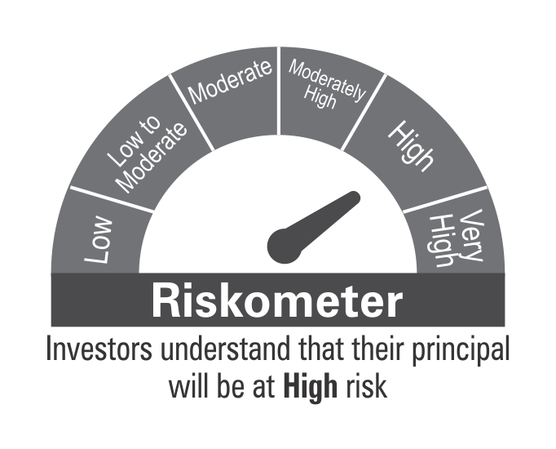

Benchmark Riskometer
Benchmark name - Nifty 50 Hybrid Composite Debt 15:85 Index

